Sheet1
 |  | Document No. |  | Issue No. | Issue Date |  |  | Review and Replace Date |  |  | Authorised By
 |  | GFF485MC |  | 1 | 05.12.2024 |  |  | New Issue |  |  | Magda Shah
 |  | Document Title |  | 25 Chicken Spring Rolls with Sweet Chilli Dip 870g
Document amendments reason for change |  | New Launch |  |  | Page 1 of 1 |  | Previous Issue Date |  | New Issue |  | Uncontrolled copy unless signed original

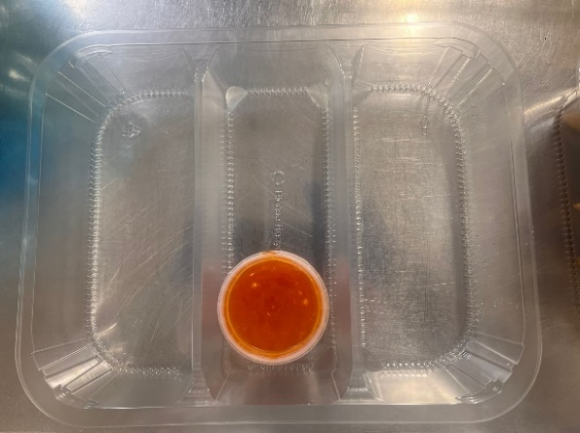
CHILLED
CCSRC1-B25X4TTA |  |  | TAKUL |  |  | 25 Chicken Spring Rolls with Sweet Chilli Dip 870g
STEP 1 |  |  |  |  | STEP 2
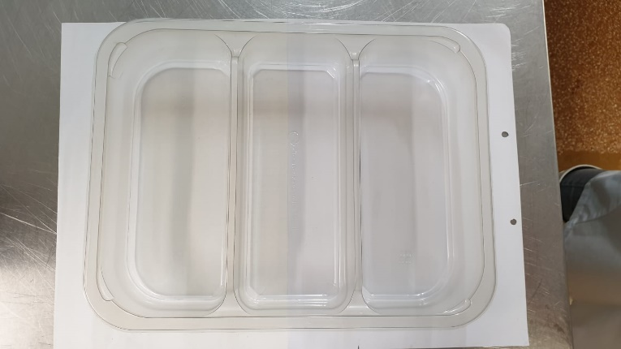

Packaging: Tray:3 cavity HW308/60 Transparent-(PKLEE001-08) |  |  |  |  | Sweet Chilli Sauce- Temperature Control (GFF470R) : 120g
Film: K Peel RPSM 25µm (340mmX1000lmm)-PKKMP001-05 |  |  |  |  | 120ml Tamper Evident Container & Lid (PKSYS002-02)
 | STEP 3
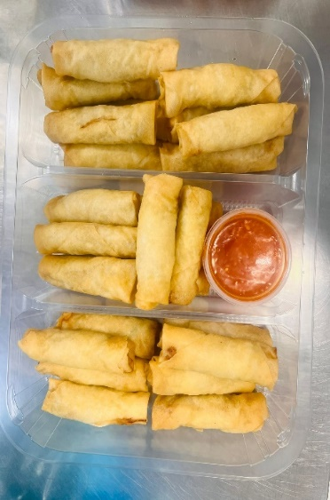 
25 x Chicken Spring Rolls Frying (GFF512R) : 30g (1x25 pieces) : 750g |  |  |  |  |  |  |  |  |  | Total Weight : 870g
ALLERGY ALERT: Barley, Wheat, Soya, Sesame

